Recovery
before setup

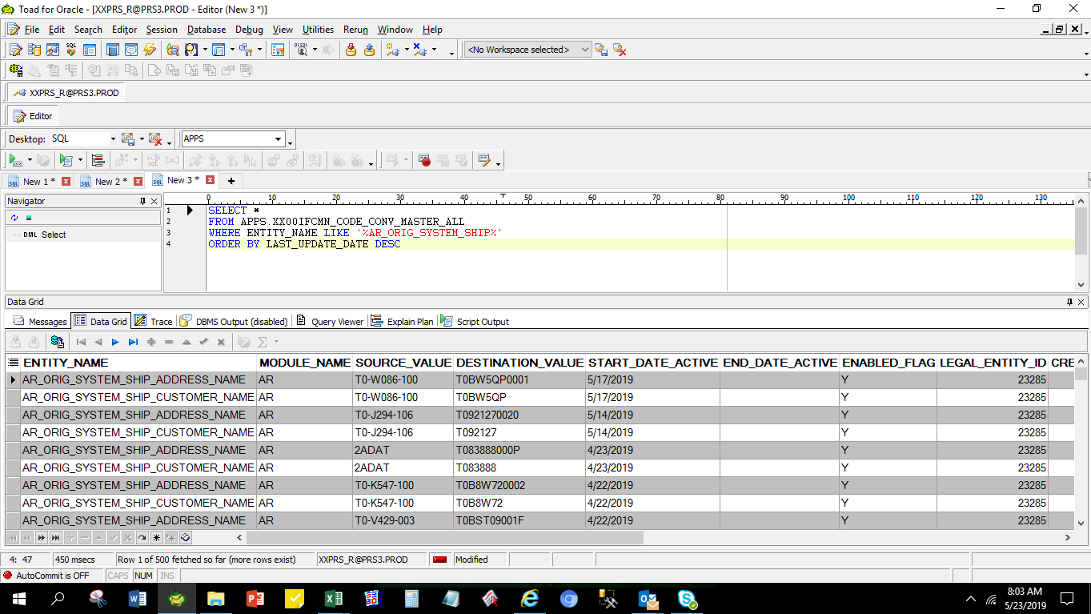

[Setup] AR_ORIG_SYSTEM_SHIP_ADDRESS_NAME (11 Digit Code)

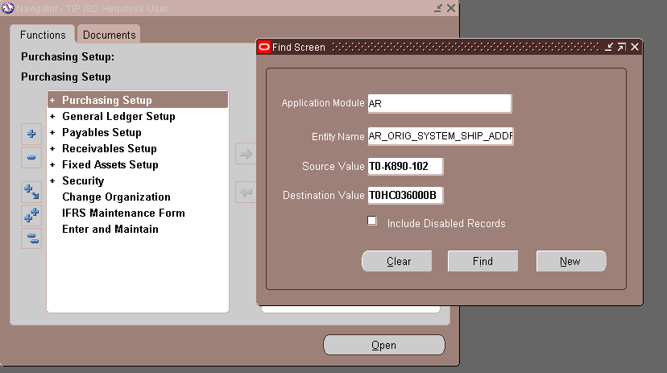

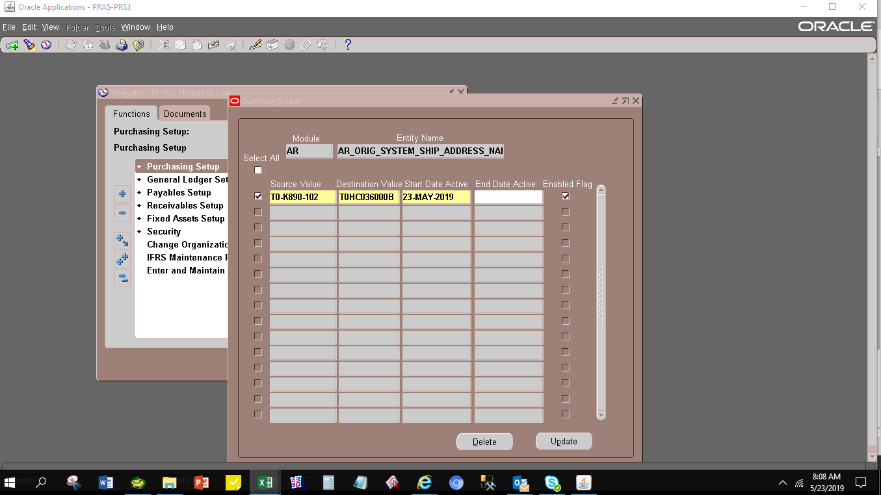

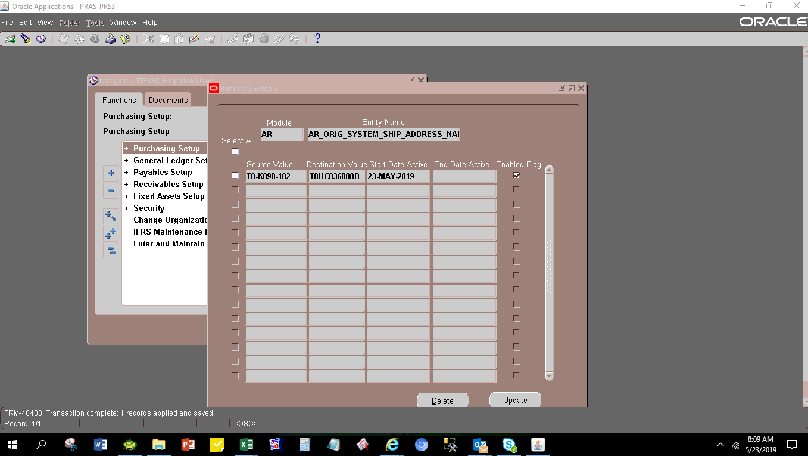

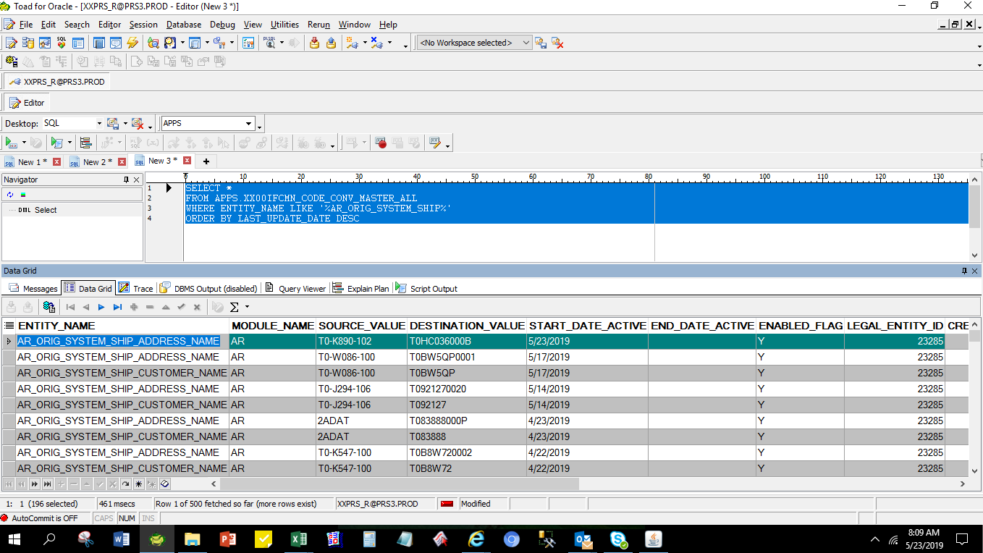

[Setup] Entity_Name: AR_ORIG_SYSTEM_SHIP_CUSTOMER_NAME( 7 Digit Code)

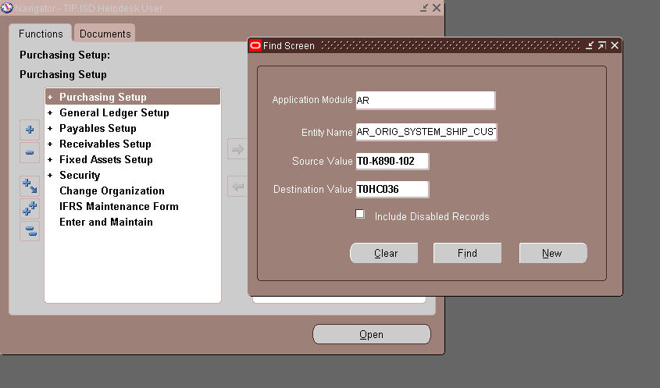

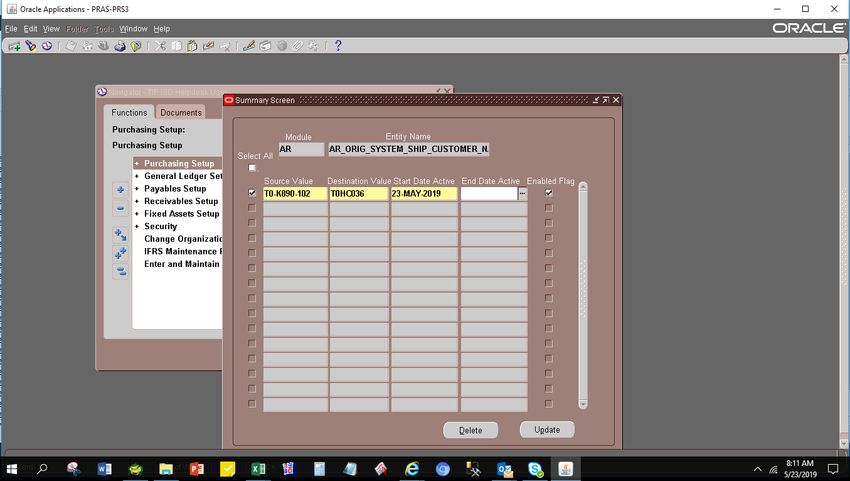

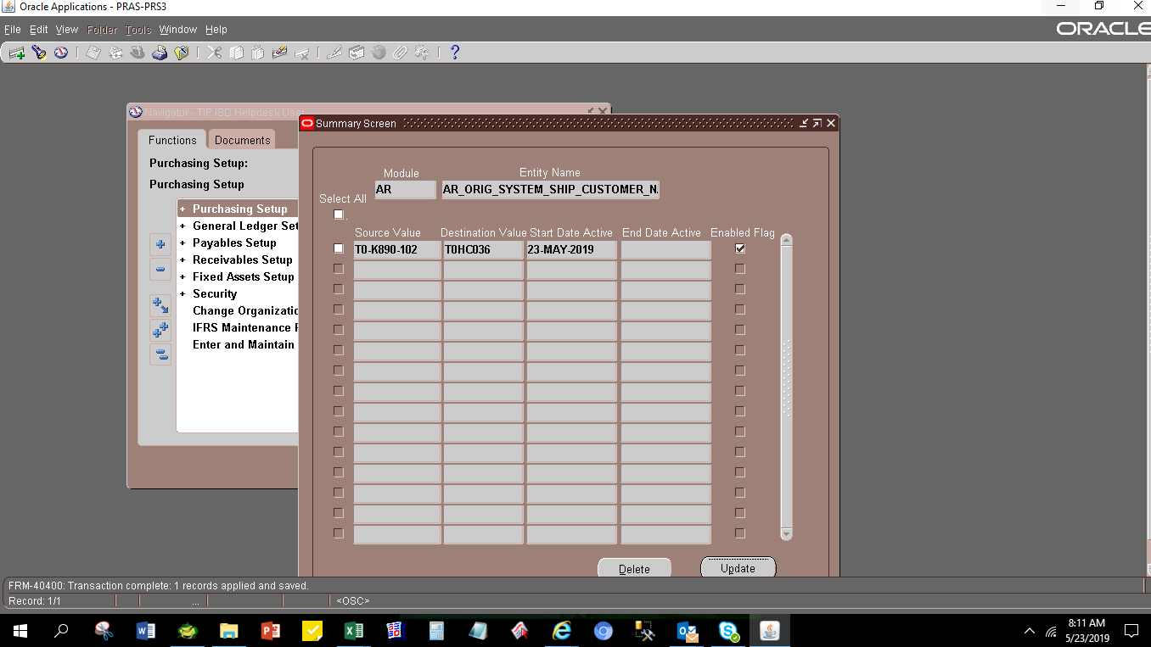

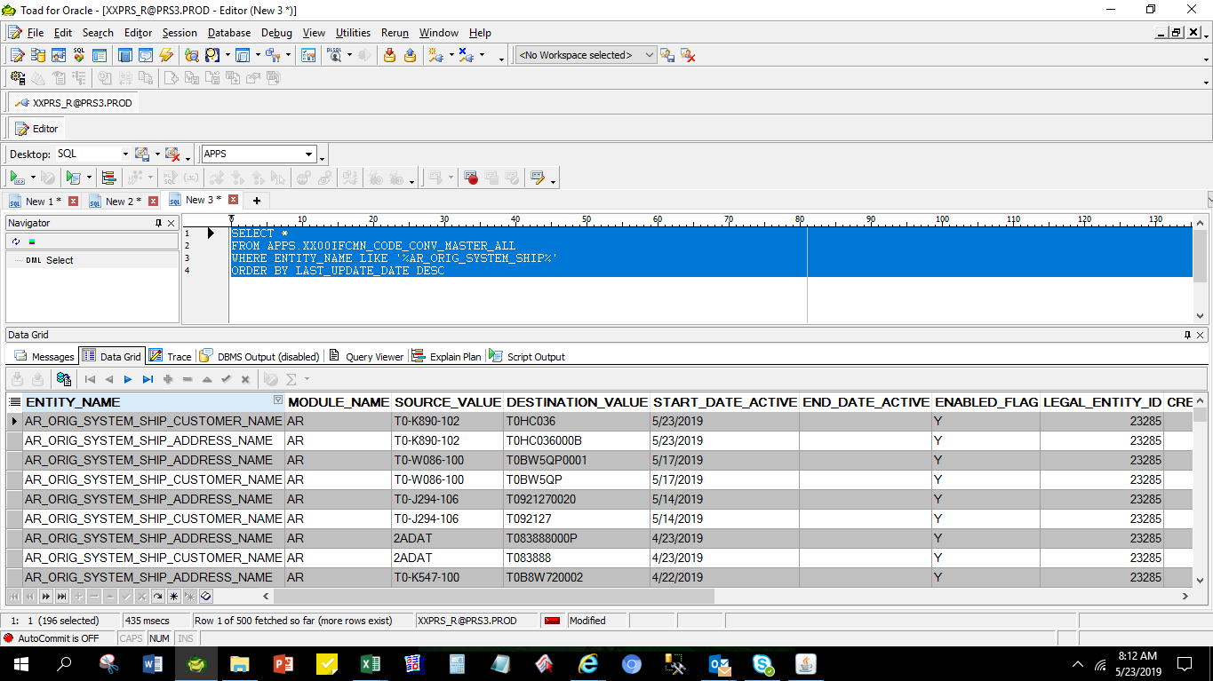

ENTITY_NAME | MODULE_NAME | SOURCE_VALUE | DESTINATION_VALUE | START_DATE_ACTIVE | END_DATE_ACTIVE | ENABLED_FLAG | LEGAL_ENTITY_ID | CREATED_BY | CREATION_DATE | LAST_UPDATED_BY | LAST_UPDATE_DATE | LAST_UPDATE_LOGIN | REQUEST_ID | PROGRAM_APPLICATION_ID | PROGRAM_ID | PROGRAM_UPDATE_DATE | ORG_ID
AR_ORIG_SYSTEM_SHIP_CUSTOMER_NAME | AR | T0-K890-102 | T0HC036 | 2019-05-23 |  | Y | 23285 | 11809 | 5/23/19 | 11809 | 5/23/19 | 32312573 |  |  |  |  | 101
AR_ORIG_SYSTEM_SHIP_ADDRESS_NAME | AR | T0-K890-102 | T0HC036000B | 2019-05-23 |  | Y | 23285 | 11809 | 5/23/19 | 11809 | 5/23/19 | 32312573 |  |  |  |  | 101

